Case calculation
Indicators of model VC | Value | Scenario | Probability | Multiple (x) | Number of startups in category | ROI | Savings by AI model
Size (USD) | 250,000,000 |  |  |  |  | Startup return
Startups in portfolio | 35 | Regular | 50.00% | 0 | 18 | 0
Average investment / startup | 7,142,857 |  | 35.00% | 2 | 12 | 175,000,000
 |  |  | 10.00% | 3 | 4 | 75,000,000
Return multuple in 10 years | 3 |  | 5.00% | 4 | 2 | 50,000,000
Target size in 10 years (USD) | 750,000,000 |  |  |  |  | Total
 |  |  |  |  |  | 300,000,000
 |  |  |  |  |  | Delta Target
 |  |  |  |  |  | -450,000,000

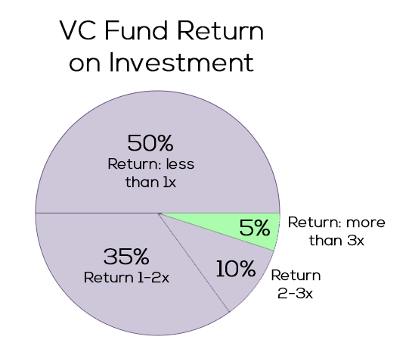
 |  |  |  |  |  | Startup return
 |  | AI finds small success | 47.10% | 0 | 16 | 0
 |  |  | 37.90% | 2 | 13 | 189,500,000
 |  |  | 10.00% | 3 | 4 | 75,000,000
 |  |  | 5.00% | 4 | 2 | 50,000,000
 |  |  |  |  |  | Total
 |  |  |  |  |  | 314,500,000
 |  |  |  |  |  | Delta Target
 |  |  |  |  |  | -435,500,000 | 450,000,000

 |  |  |  |  |  | Startup return
 |  | AI finds medium success | 47.10% | 0 | 16 | 0
 |  |  | 35.00% | 2 | 12 | 175,000,000
 |  |  | 12.90% | 3 | 5 | 96,750,000
 |  |  | 5.00% | 4 | 2 | 50,000,000
 |  |  |  |  |  | Total
 |  |  |  |  |  | 321,750,000
 |  |  |  |  |  | Delta Target
 |  |  |  |  |  | -428,250,000 | 450,000,000

 |  |  |  |  |  | Startup return
 |  | AI finds big success | 47.10% | 0 | 16 | 0
 |  |  | 35.00% | 2 | 12 | 175,000,000
 |  |  | 10.00% | 3 | 4 | 75,000,000
 |  |  | 7.90% | 4 | 3 | 79,000,000
 |  |  |  |  |  | Total
 |  |  |  |  |  | 329,000,000
 |  |  |  |  |  | Delta Target
 |  |  |  |  |  | -421,000,000 | 450,000,000

 |  |  |  |  |  | Startup return
 |  | AI finds unicorn | 47.40% | 0 | 17 | 0
 |  |  | 35.00% | 2 | 12 | 175,000,000
 |  |  | 10.00% | 3 | 4 | 75,000,000
 |  |  |  | 4 | 2 | 57,142,857
 |  |  |  | 35 | 1 | 250,000,000
 |  |  |  |  |  | Total
 |  |  |  |  |  | 557,142,857
 |  |  |  |  |  | Delta Target
 |  |  |  |  |  | -192,857,143 | 450,000,000

